BUSAD_SUPR_RLES CLOS NEW 17-23
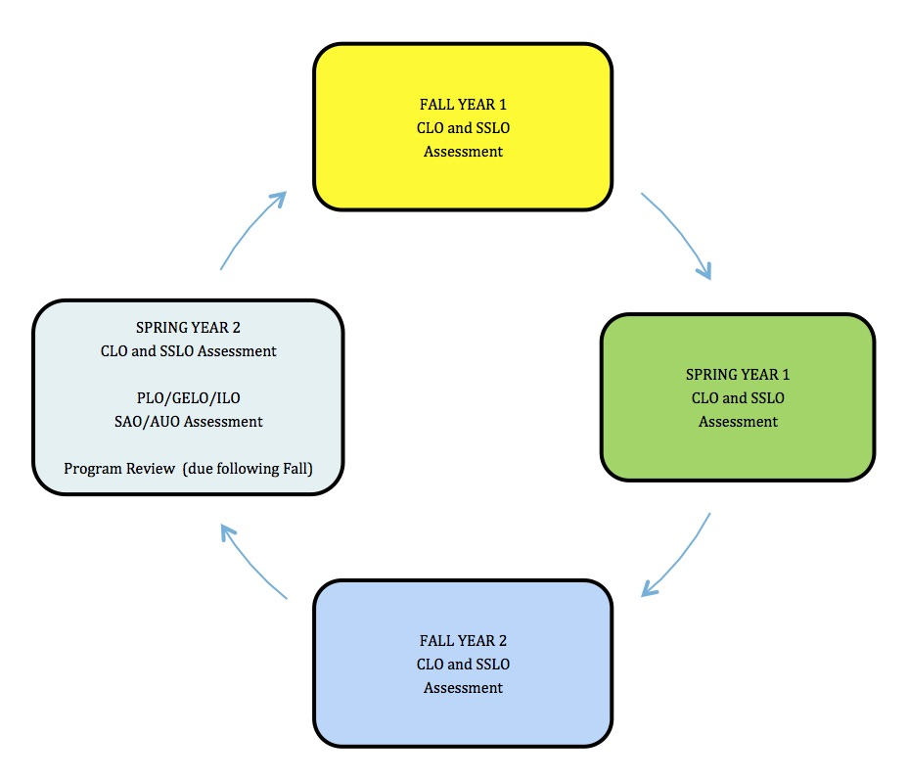
 | CLO Cycle 1 |  |  |  |  |  | CLO Cycle 2 |  |  |  |  | CLO Cycle 3
COURSE NAME | FALL 2017 | SP/SU* 2018 | Curriculum Update FALL 2018 | FALL 2018 | SP 2019 no assessments | PLO/GELO/ILO Assessment Program Review Spring 2019 | FALL 2019 | SP/SU* 2020 | FALL 2020 | SP 2021 no assessments | PLO/GELO/ILO Assessment Program Review Spring 2021 | FALL 2021 | SP/SU* 2022 | FALL 2022 | SP 2023 no assessments | PLO/GELO/ILO Assessment Program Review Spring 2023 | Curriculum Update FALL 2023
BUSAD-50 |  | X |  |  |  |  |  | X |  |  |  |  | X
BUSAD-200 | X |  |  |  |  |  | X |  |  |  |  | X
BUSAD-201 |  |  |  | X |  |  |  |  | X |  |  |  |  | X
BUSAD-202 |  | X |  |  |  |  |  | X |  |  |  |  | X
BUSAD-203 | X |  |  |  |  |  | X |  |  |  |  | X
BUSAD-208 | X |  |  |  |  |  | X |  |  |  |  | X
BUSAD-209 |  | X |  |  |  |  |  | X |  |  |  |  | X
BUSAD-210 |  | X |  |  |  |  |  | X |  |  |  |  | X
BUSAD-218 | X |  |  |  |  |  | X |  |  |  |  | X
BUSAD-230 |  |  |  | X |  |  |  |  | X |  |  |  |  | X
BUSAD-240 |  |  |  | X |  |  |  |  | X |  |  |  |  | X
BUSAD-245 |  | X |  |  |  |  |  | X |  |  |  |  | X
BUSAD 246 |  | X |  |  |  |  |  | X |  |  |  |  | X
BUSAD-248 |  |  |  | X |  |  |  |  | X |  |  |  |  | X
BUSAD-249 |  | X |  |  |  |  |  | X |  |  |  |  | X
BUSAD-274 | X |  |  |  |  |  | X |  |  |  |  | X
BUSAD-300 | X |  |  |  |  |  | X |  |  |  |  | X
BUSAD-310 |  |  |  | X |  |  |  |  | X |  |  |  |  | X
BUSAD-319 |  | X |  |  |  |  |  | X |  |  |  |  | X
BUSAD-320 |  | X |  |  |  |  |  | X |  |  |  |  | X
BUSAD-336 | X |  |  |  |  |  | X |  |  |  |  | X
BUSAD-358 |  | X |  |  |  |  |  | X |  |  |  |  | X
BUSAD-364 |  |  |  | X |  |  |  |  | X |  |  |  |  | X
BUSAD-377 |  |  |  | X |  |  |  |  | X |  |  |  |  | X
SUPR-106 |  |  |  | X |  |  |  |  | X |  |  |  |  | X
SUPR-351 |  |  |  | X |  |  |  |  | X |  |  |  |  | X
SUPR-364 |  |  |  | X |  |  |  |  | X |  |  |  |  | X
RLES-380 | X |  |  |  |  |  | X |  |  |  |  | X
RLES-381 | X |  |  |  |  |  | X |  |  |  |  | X
RLES-382 |  | X |  |  |  |  |  | X |  |  |  |  | X
RLES-384 |  | X |  |  |  |  |  | X |  |  |  |  | X
RLES-385 | X |  |  |  |  |  | X |  |  |  |  | X
RLES-392 |  | X |  |  |  |  |  | X |  |  |  |  | X
 | 10 | 13 |  | 10 |  |  | 10 | 13 | 10 |  |  | 10 | 13 | 10

 | * Some RLES courses are offered only in summer or only once during a 2 year cycle.
 |  | often offered only this semester.

